Timeline
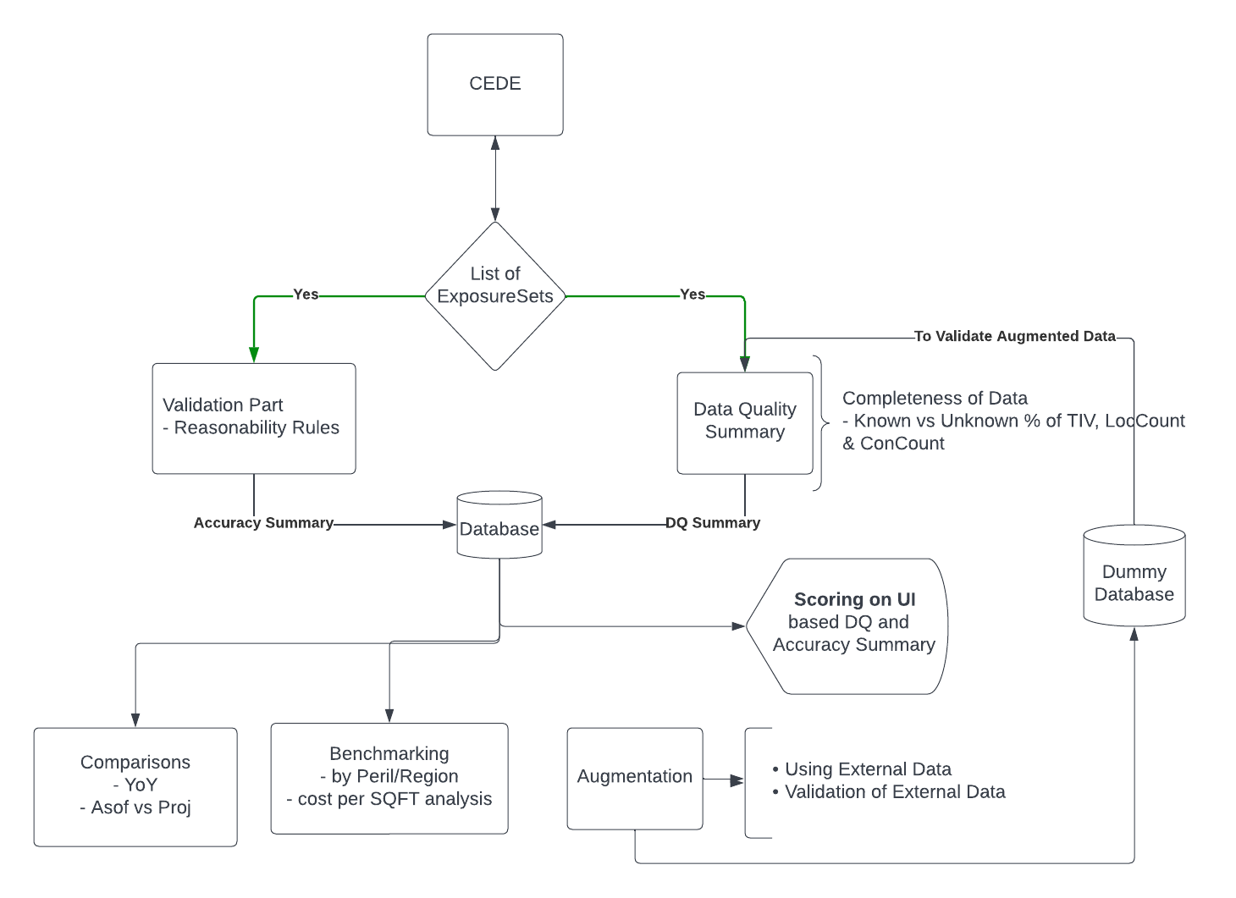
Priority
In Progress
Not Started
Reserch and Development + Priority

Section | Topic | Sub Topic | Efforts | Timeline | Priority

Validation Part | Reasonability Rules | Gathered AIR and RMS Pre-defined Rules/Rule Descriptions | 0.5 |  | Done
 |  | Rule Table Schema | 1 | 2023-01-16 | Done
 |  | Convert Descriptive Rule into sql Table Rule (AIR) | 3 | 2023-01-20 | Done
 |  | Convert Descriptive Rule into sql Table Rule (RMS) | 2 |  | Not Started
 |  | Add Rules of Secondary Modifiers |  |  | Not Started
 |  | Add Rules of Financial Terms |  |  | Not Started
 |  | Categorize Rules into two category, 1. Informative Rule 2. Actionable Rule |  |  | Not Started

 |  | Fill the Error Flag message | 2 | 2023-01-24 | Not Started
 |  | Insert Rule table to SQL DB | 1 | 2023-01-25 | Done
 | SQL | Write query to Loop over the Rules for each locations | 2 | 2023-01-25 | Done
 |  | Create Flag Message Table | 1 |  | Not Started
 |  | Define Accuracy Summary Table Schema | 1 |  | Done
 |  | Validate SQL Query with one Deal by Testing Key Rules | 2-3 |  | Done
 |  | Summarize the Flag locations in Numbers and Total percentages |  | 2023-01-25 | Done
 |  | Store the Accuracy Summary to DB |  | 2023-01-25 | Done

 | VBA Code | VBA Code to execute Validation Rule Query and Show results to DashBoard | 1 |  | Done

BenchMark | Cohort Analysis by cost per SQFT | modified python script to extract data from DB | 2 | 2023-01-13 | 3
 |  | python script to store costperSQFT analysis results for each individual and all deals
 |  | Compare the Cedent based on Year using Peril/Region | 1 | 2023-01-13 | 4

 |  | Validate Cohort Summary | 2 | 2023-01-13 | 5

Data Population | SQL | Exposure Meta Table Schema | 1 | 2023-01-05 | Done
 |  | Query to Populate the Exposure Meta Table from Exposure DB Info and Exposure Set List Table | 1 | 2023-01-05 | Done

 | Fill up the ExposureMeta Table | List out the Exposure Db Names | 1 |  | In Progress
 |  | Fill up the version and Type of Exposure Data | 1 |  | In Progress
 |  | Select Exposure Sets for each Exposure DB | 1 |  | In Progress

 | Validation | Validate the Inputs and it's update from Job | 2 | 2023-01-06 | Done

DQ Summary | SQL | Table Schema for Data Quality tables | 1 | 2023-01-05 | Done
 |  | Insert Stored Procedures | 3-4 | 2023-01-05 | Done
 |  | Insert Master Stored Procedure to Execute all the Insert Sps | 2 | 2023-01-05 | Done
 |  | Create Job to Loop over Meta Table and run Master Sp | 1 | 2023-01-05 | Done
 |  | Call Stored Procedures | 2 | 2023-01-10 | Done
 |  | Master Stored Procedure to fetch data from DQ tables | 1 | 2023-01-10 | Done
 |  | Modify all insert stored procedure to be able run across SQL Server | 1 |  | Done

 | VBA | VBA code to fill exposure meta table | 1 | 2023-01-05 | Done
 |  | VBA Code to Retrive the DQ Summary from DQ Tables | 1 | 2023-01-12 | Done

 | Year Built | Revised Year Built Ranges | 1 |  | Done
 |  | Modification on Insert Stored Procedures | 1 |  | Done

 | Secondary Modifiers | Add new 10 Tables of Secodary Modifiers | 0.5 |  | Done
 |  | Define Table Schema of Database Tables | 0.5 |  | Done
 |  | Create Insert Stored Procedures for inserting data to Database Tables | 1 |  | Done
 |  | Validate Insert Stored Procedures by Query | 1 |  | Done
 |  | Create Call Stored Procedures for calling data from Database Tables | 1 |  | Done
 |  | Validate Call Stored Procedures by Execl DashBoard | 1 |  | Done

Industry Data | SQL | Define table schema for Price per SQFT and Average Property Value | 1 |  | Done
 |  | Figure out way to connect Industry tables with Meta Table | 1 |  | Done
 |  | Create Stored Procedures to Insert Data from CEDE DB to Industry Tables | 1 |  | Done
 |  | Validate Stored Procedures of Inserting | 1 |  | Done
 |  | Create Stored Procedures to Auto trigger Insert/Update of Industry Tables if new entry in Meta Table | 1
 |  | Validate auto Stored Procedures | 1

Visualization | Excel Dash Board | Gathered all key attributes DQ Summary YoY data | 0.5 |  | Done
 |  | Create Pivot chart for YoY Data | 0.5 |  | Done
 |  | Cohort chart for Price per SQFT data | 1 |  | Done
 |  | Top 5 States Cohort Chart for Price per SQFT by plotting Box plot | 1 |  | Done
 |  | Gathered YoY data for Secondary Modifiers | 0.5 |  | Done
 |  | Create Pivot chart of YoY Data of Secondary Modifiers | 0.5 |  | Done

 | QGIS | Create Chart using Roof Cover and Roof Geometry Data | 0.5 |  | Done
 |  | Chart containing Pie Chart which categories different types of Roof Cover and Roof Geometry | 0.5 |  | Done

 | Choropleth Map in Python | Pie Charts on US Map for Roof cover and Roof Geometry Data | 1 |  | Done
 |  | YoY TIV Pct Change | 1 |  | Done
 |  | Price per SQFT data on State and County level | 1 |  | Done
 |  | YoY Average Property Value Pct Change | 1 |  | Done
 |  | Bechmarking with Industry by plotting Box plot on US Map | 1 |  | Done
 |  | Bechmarking using textured lines on all plots | 1 |  | Done

 | Investigation | Amfam showing huge YoY% Changes in Average Property Value and in Price per SQFT | 1
 |  | Revised Filteres on data | 1 |  | Done
 |  | Investigate States with negative YoY% Change | 1 |  | Done
 |  | Move on Progressive Data, few states was having high postive and negative YoY% Change | 1 |  | Done
 |  | Investigate California and Nebraska State Data | 1 |  | Done

 | Python | Dynamic Python Inputs Data | 1
 |  | Create SQL Queries for Price per SQFT and Average Property Value | 2 |  | Done
 |  | Dynamic Industry Data through query | 0.5 |  | Done
 |  | Dynamic python script by mapping data column with query's data columns | 1 |  | Done
 |  | Create Python function for creating choropleth map dynamically | 1 |  | In Progress

Augmetation | External Data | Gather External Data | ?? |  |  | 1
 |  | Validation Rule to Validate External Data | ??
 |  | Methodology to Augment Data | ??
 |  | Save the Augmented Data into Dummy Database | ??

 | Validate | Create the DQ Summary of Dummy Database | ??

Scoring | Completeness | Define Scoring Table Schema for Completeness | 0.5 |  | Done
 |  | Come up with Scoring Methodology for Completeness of data | 5 |  | Done
 | Validation | Define Scoring Table Schema using Validation Rules | ?? |  | In Progress
 |  | Come up with Scoring Methodology for Validation of data using Validation Scoring | ?? |  | In Progress
 |  | Sensitivity Analysis using combination on primary attributes
 |  | Analyze sensitivity analysis results and come up scoring

 | Accuracy | Come up with Scoring Methodology for Accuracy Scoring

 | SQL | Query to fill up Scoring table for Completeness of data | 0.5
 |  | Query to fill up Scoring table for Accuracy of data | ??

Updates | Comments/Suggestions | Add the Exposure Vintage Date and Type into Exposure DB info table |  | 2023-01-05 | Done
 |  | Change the Schema of Exposure Meta Table to add Exposure Vintage Date |  | 2023-01-05 | Done
 |  | Add Column for Sponsor ID to Exposure Meta Table |  | 2023-01-05
 |  | Added "All perils" clause to all insert DQ table |  | 2023-01-06 | Done
 |  | Added PerilSetCode Column to All DQ Tables |  | 2023-01-10 | Done
 |  | Modified all the Insert SP by setting Peril as perilCode and added PerilSetCode |  | 2023-01-10 | Done
 |  | Modified Validation Rules query to consider case of RMS coded exposure |  | 2023-01-13 | Done
 |  | Added 3 Columns(which indicates total percentage of Loc, Con and TIV) to Validatio Rule Result table |  | 2023-01-13 | Done
 |  | Modified the Validation Query to Add above three columns |  | 2023-01-13 | Done
 |  | Add "List" as attributeType in Rule Table |  | 2023-01-20 | Done
 |  | Modified the Validation Query to include "List" as attribute Variable |  | 2023-01-20 | Done

